result
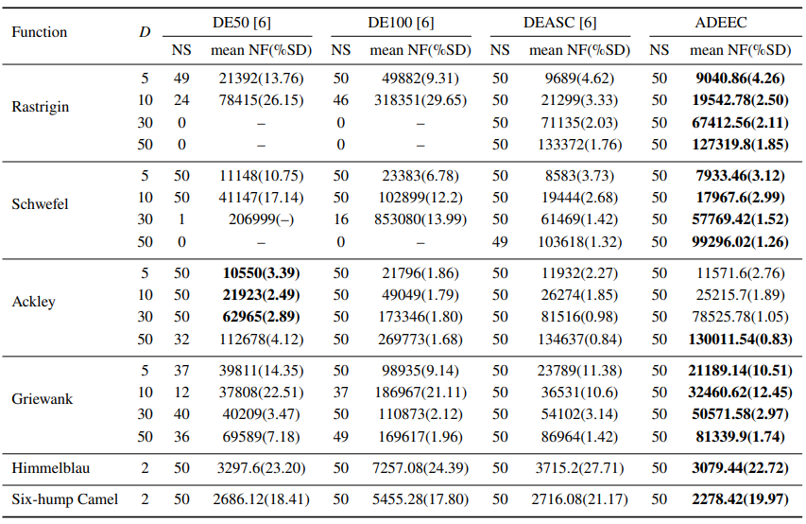
Function | D | ibi12
 |  | NS | mean nf(%sd)
Ras | 5 | 50 | 9014.7(4.32)
 | 10 | 50 | 19433.2(3.37)
 | 30 | 50 | 66938.6(1.77)
 | 50 | 50 | 126868.26(1.77)
Sch | 5 | 50 | 8218.32(4.05)
 | 10 | 50 | 18230.84(2.39)
 | 30 | 50 | 57752.34(1.63)
 | 50 | 50 | 98788.14(1.34)
Ack | 5 | 50 | 11145.54(2.54)
 | 10 | 50 | 24408.76(1.98)
 | 30 | 50 | 75091.18(1.06)
 | 50 | 50 | 122094.72(1.00)
Grie | 5 | 50 | 24293.36(13.45)
 | 10 | 50 | 33947.28(12.61)
 | 30 | 50 | 49367.52(2.79)
 | 50 | 50 | 77942.84(1.41)
Him | 2 | 50 | 3634.06(25.88)
six | 2 | 50 | 2639.62(22.86)

Function | D | ibi12
 |  | NS | mean nf(%sd)
auto | 3 | 50 | 2380.16(10.74)
Eco | 5 | 50 | 9587.62(5.31)
Chem | 5 | 50 | 59917.76(6.98)

